WMVR
Welcome to the latest edition of the World Motor Vehicle Market Report,
provided to you by the Automotive Aftermarket Suppliers Association
(MEMA Aftermarket) and the AASA Overseas Automotive Council (OAC).
The World Motor Vehicle Market Report contains passenger car and truck information
regarding vehicles in operation, production and density for regions throughout the world
including Africa, Asia, Central and South America, Central Eastern Europe, Middle East,
North America, Oceania and Western Europe.
The global demand for quality aftermarket products from North American suppliers has
never been greater and the importance of international business is continually growing.
Global business can provide companies with a larger and more diverse customer
base, open doors for overseas manufacturing and distribution, gain market share in less
competitive countries as well as give manufacturers a broader view of the industry and
assists in advancing one’s business.
In today’s global business economy, access to reliable, accurate data is crucial to making
the best possible decision — every time. S&P Global, formerly IHS Markit, is the premier provider of global market, industry and technical expertise. S&P Global understands the rigor that goes into decisions of great importance with solutions that meet the needs of our customers.
MEMA Aftermarket supports global business growth through both the Overseas Automotive Council
(OAC) and the China Aftermarket Forum (CAF), and will continue to focus on global
business, cultural understanding and friendly trade relations.

The data in this workbook have been prepared exclusively for MEMA Aftermarket Group's members by S&P Global Mobility, formerly IHS Markit. Special thanks to Todd Campau.

INSTRUCTIONS
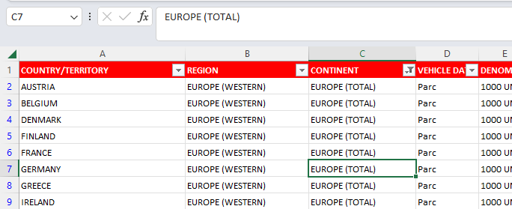
Beginning with this edition of the World Motor Vehicle Report, we are compressing last year's seven workbooks into this one workbook. To do that, we
more convenient
compressed all the data into one workbook
had to give up graphs

Beginning with this edition of the World Motor Vehicle Report, we are compressing last year's seven workbooks into this one workbook in order to ease the downloading experience from the website and to make it easier to locate the data you seek. To make this possible, this workbook uses the standard Excel filtering tool that enables you to zero in on the data by continennt, country, or other variables in these worksheets. An illustration is included on this page describing how filters work. For more information, please try this link: https://www.youtube.com/watch?v=BtiVbY7lhqw

How to Filter Data in this Workbook
In this example, you want to zero in on data just referring to the European continent.
Filters are found at the top of each column of most tabs. In the image below, we have identified the filter controlling Continents with a blue circle.
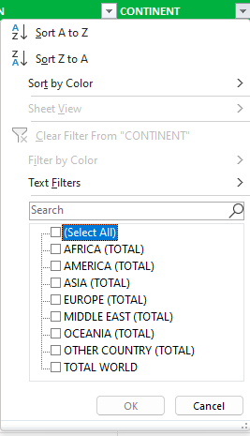
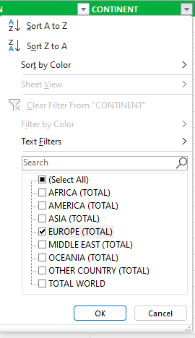
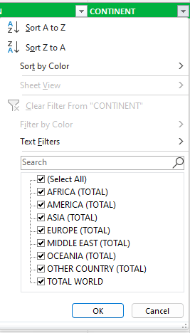
Notice the white square with the black triangle inside it pointing down (circled). Clicking it will cause the drop-down menu of continents. Note the "Select All" box. The Select All box is checked and that has caused all the continents' boxes to be checked. Therefore, all the data for all the continents will be shown on the worksheet.
Un-check "Select All" and all the continents' boxes are unchecked.
Checking the Europe box will hide all non-Europe data and leave only the European continent data. You are done -- you have isolated the data referring to the European continent.

